UI Changes
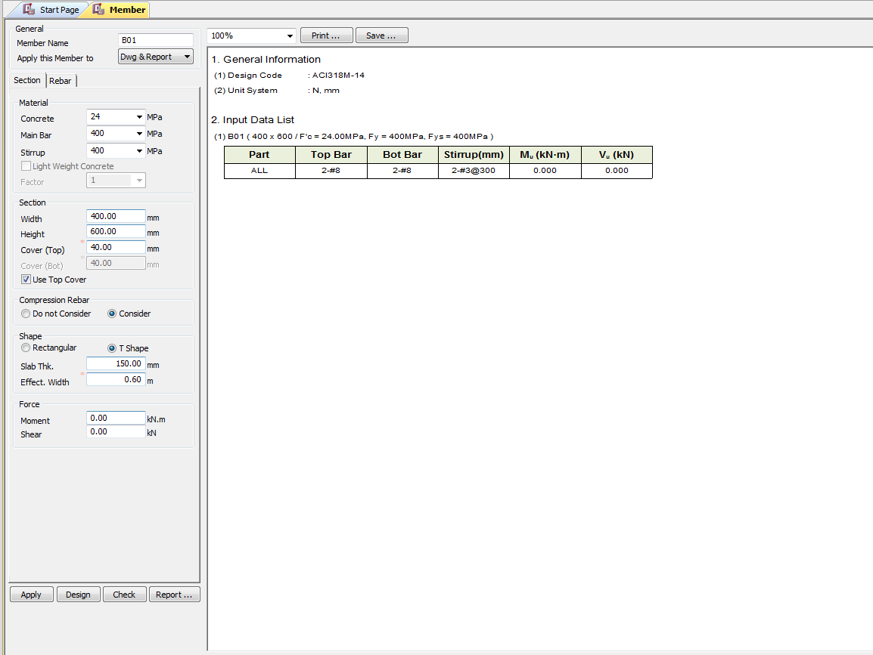
 |  | Required Changes in UI

PROJECT MODE |  |  |  |  |  | SIMPLE MODE |  |  |  | CHECKMODE
SAME GUI + ADDITIONAL FEATURES IF REQUIRED
TORSION INPUT FROM TABLE |  |  |  |  |  | TORSION INPUT BOX

 |  |  |  |  |  |  |  |  | Torsion data Box |  | Torsion data Box

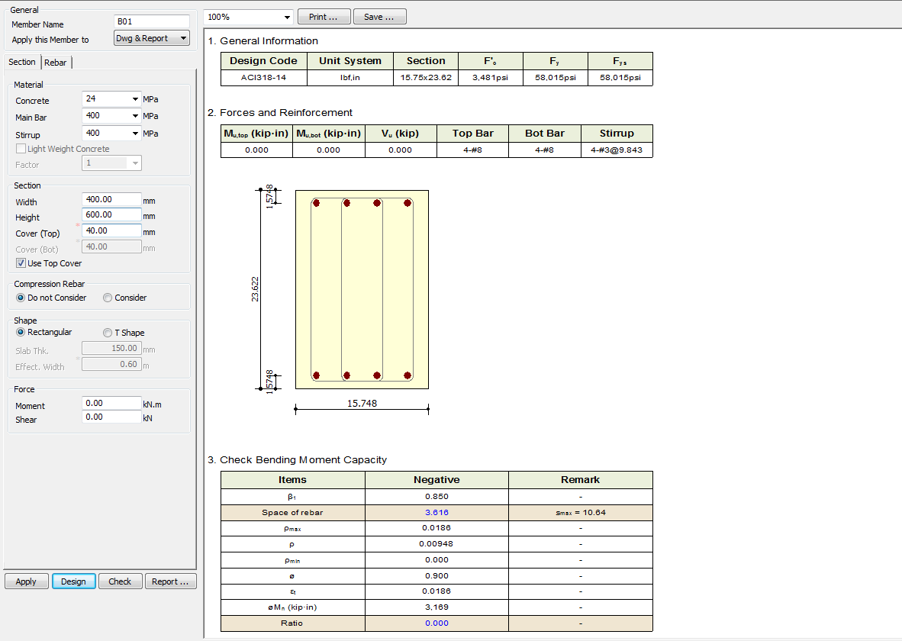
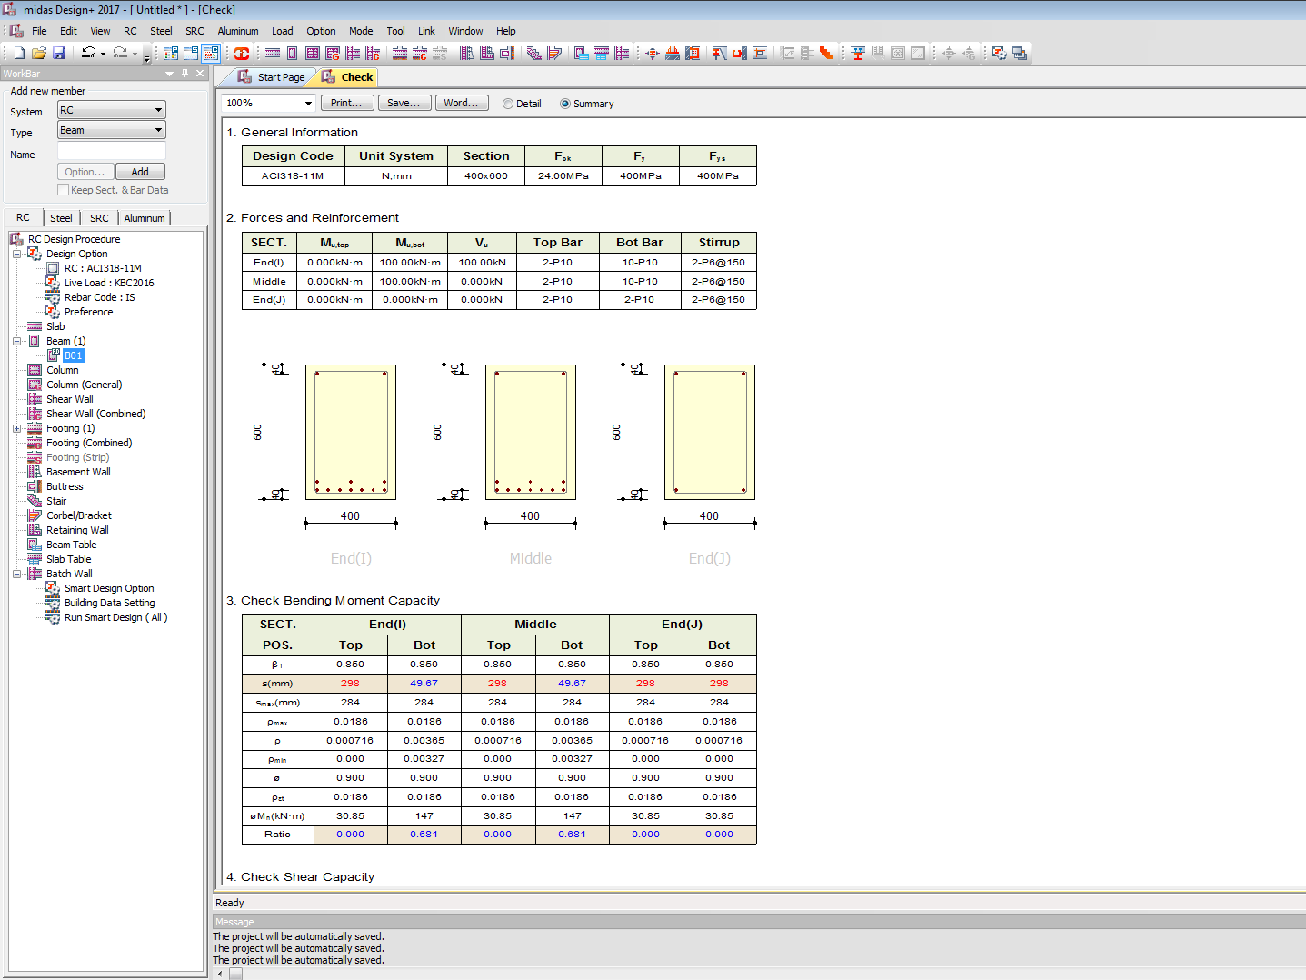

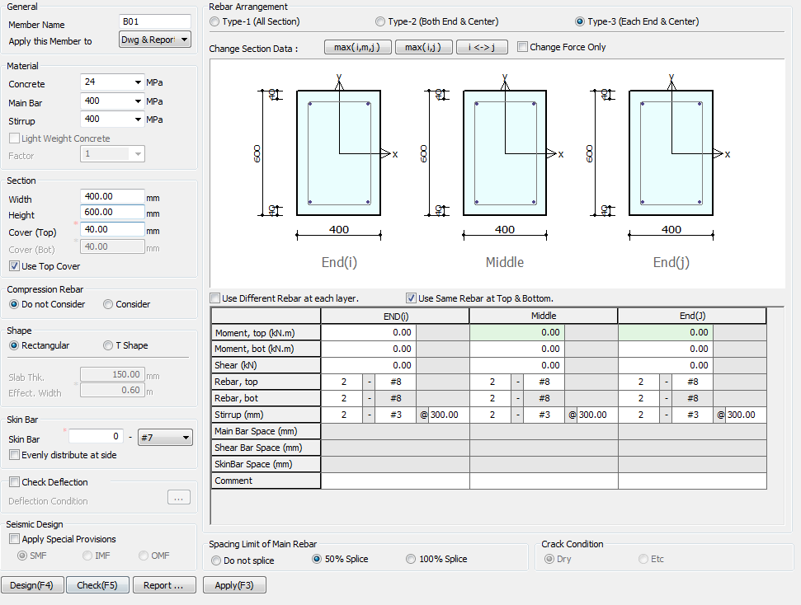

 |  |  |  |  |  |  | TORSION INPUT BOX

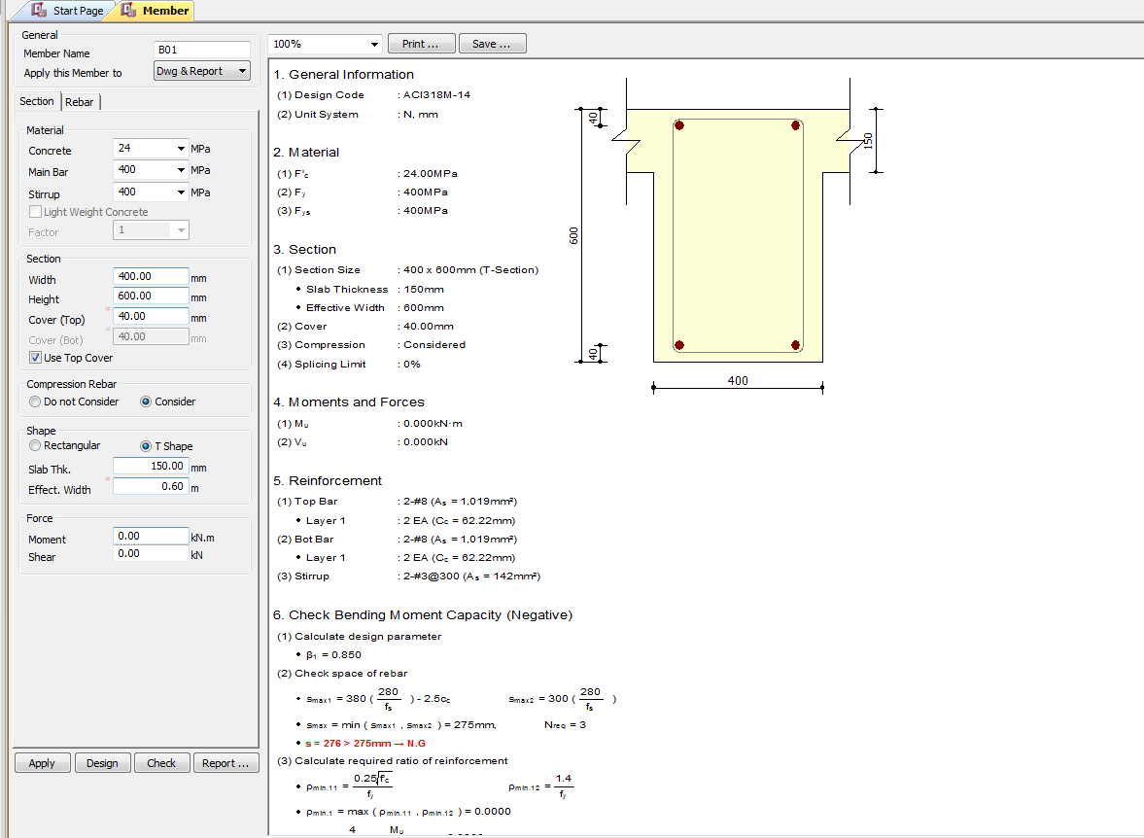
 |  |  |  |  | TORSION INPUT JUST BELOW SHEAR BOX
 | Rename skin bar with side face reinforcement
 |  |  | Replace seismic Design with IS 13920 Design
 |  |  | Hide smf imf and cmf

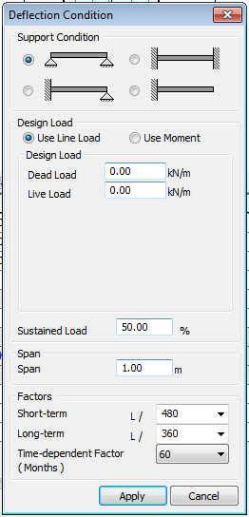

 |  |  |  | Change UI for deflection limit

 |  |  |  | 250, 350

 |  |  | 7, 28, 365 days for creep deflection

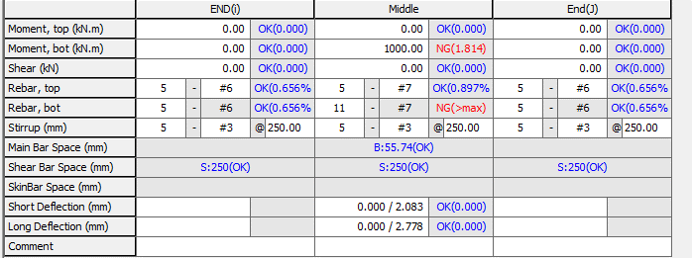

 |  |  |  | Change short and long term defelction to Total Deflection
 |  |  |  |  |  |  |  | Include Torsion data

UI CHECK
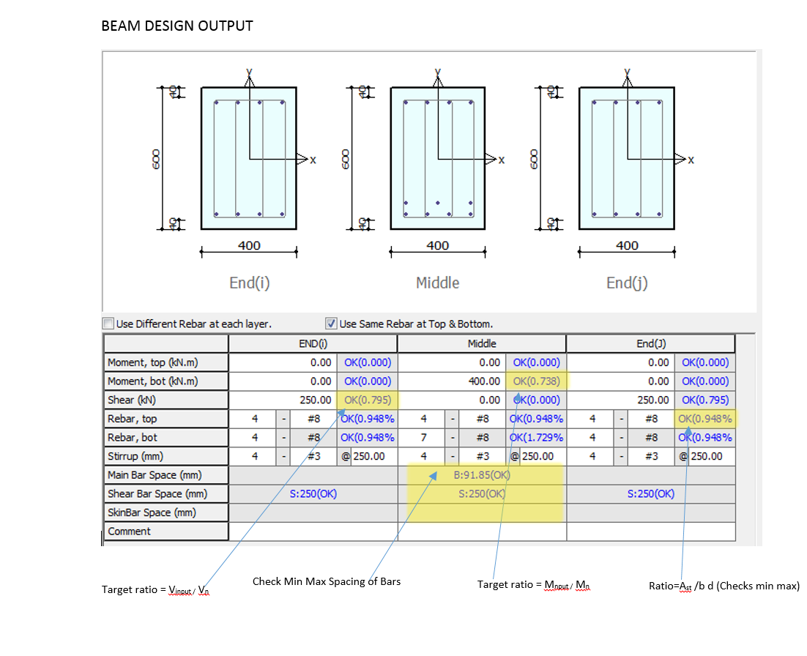
UI Checking

 | Checks the Input shear to section shear Capacity ratio
 | Checks the Input Moment toMoment section Capacity ratio
 | Check Min Max spacing of Bar
 | Check Min Max Area of steel
 | Check Deflection Limit as per code

CODE PROVISIONS
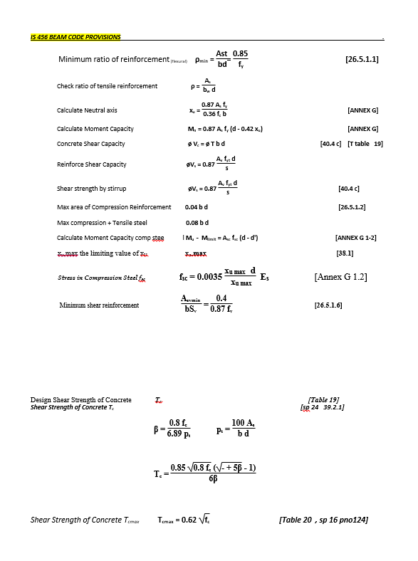
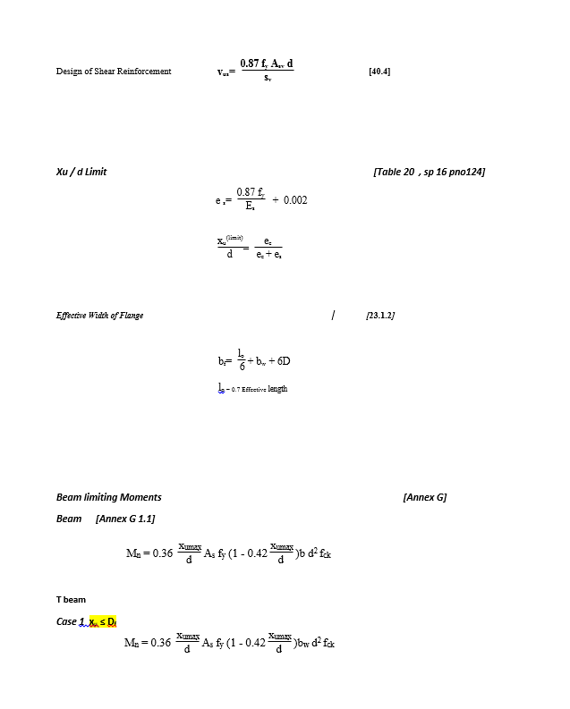
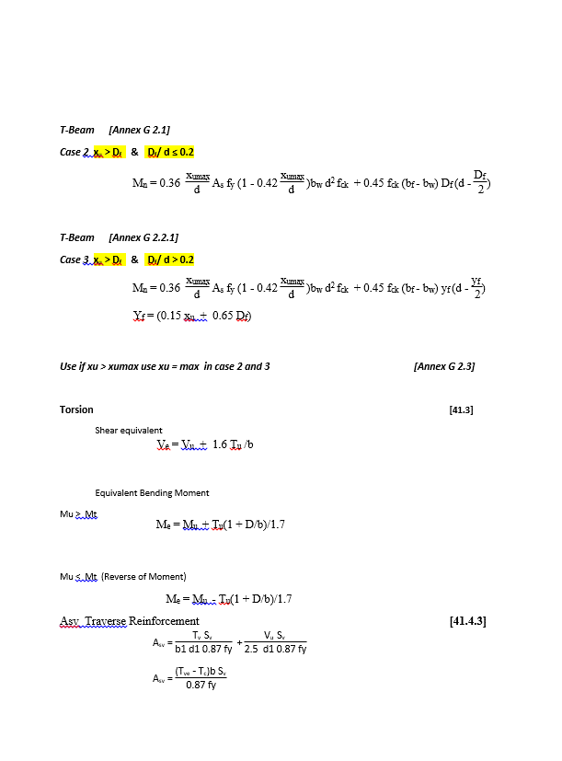
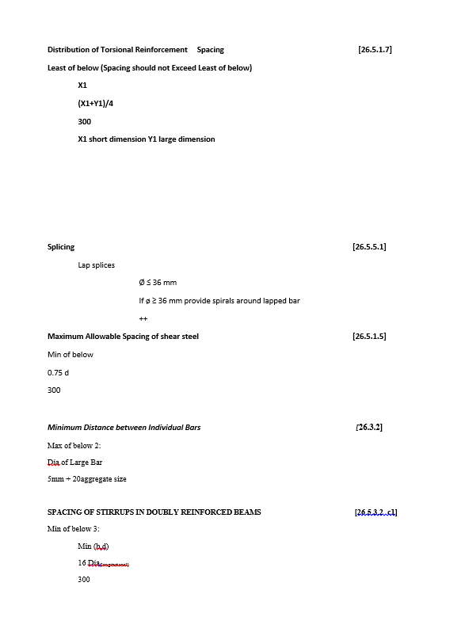
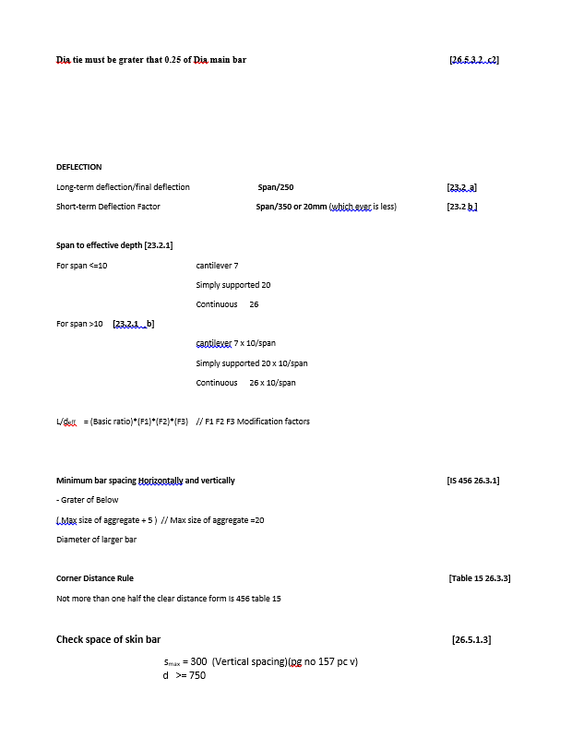
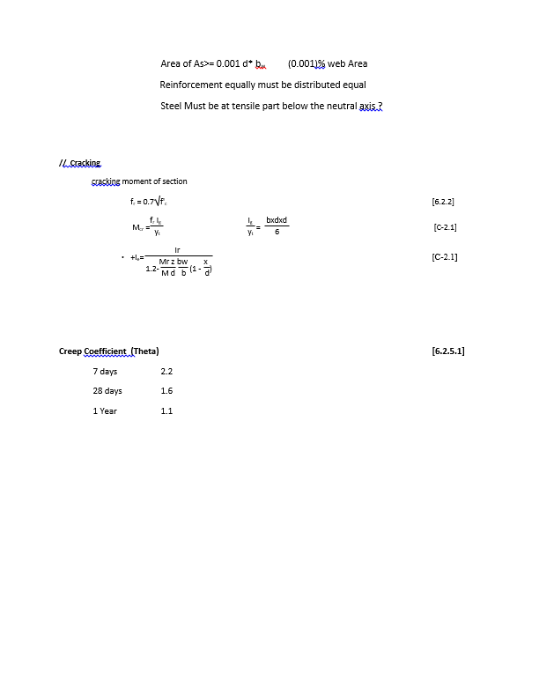
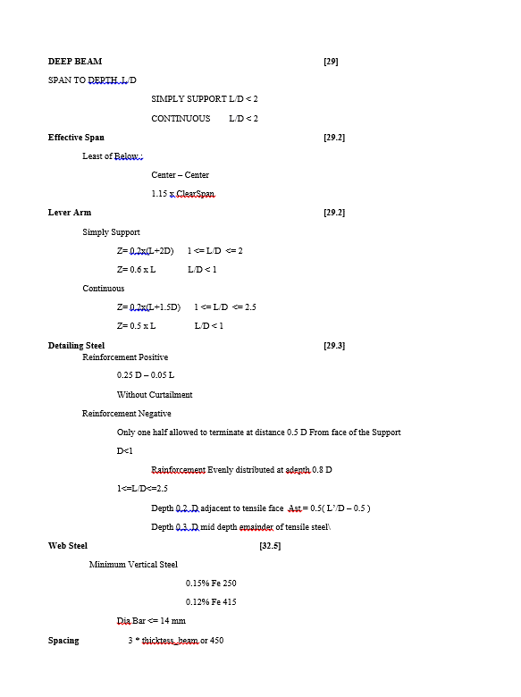
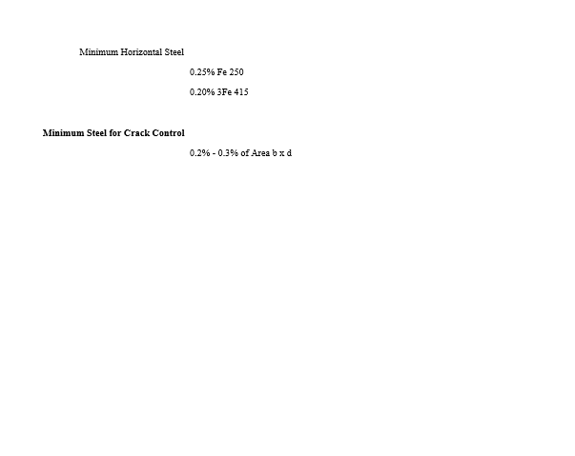
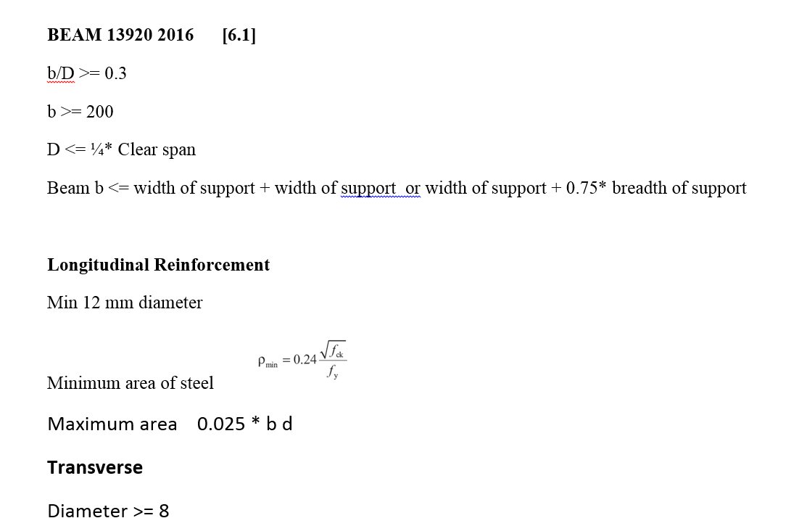
CODE PROVISION

IS 456 2000 CODE PROVISIONS
SP 16
SP 24
IS 13920 2016

FLOWCHART
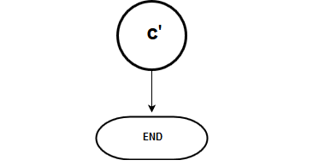
Flow Chart

FLOW CHARTS FOR EACH STEPS

 |  | SERICEABILITY B B'

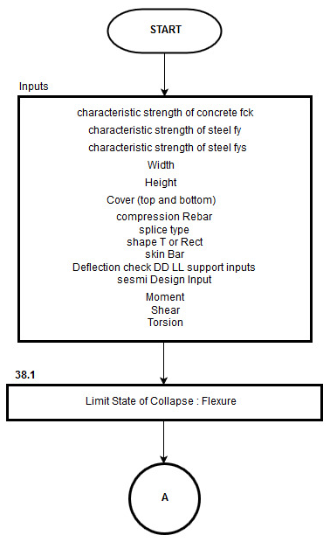

 |  |  |  | MOMENT CALCULATIONS

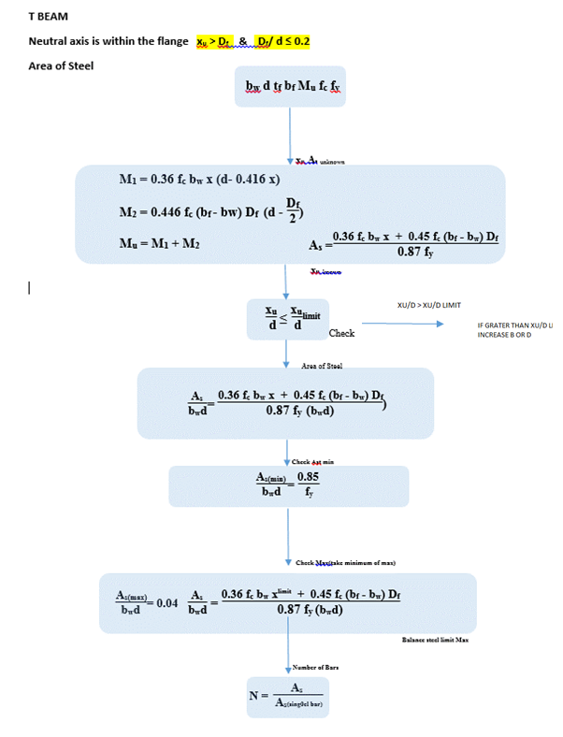
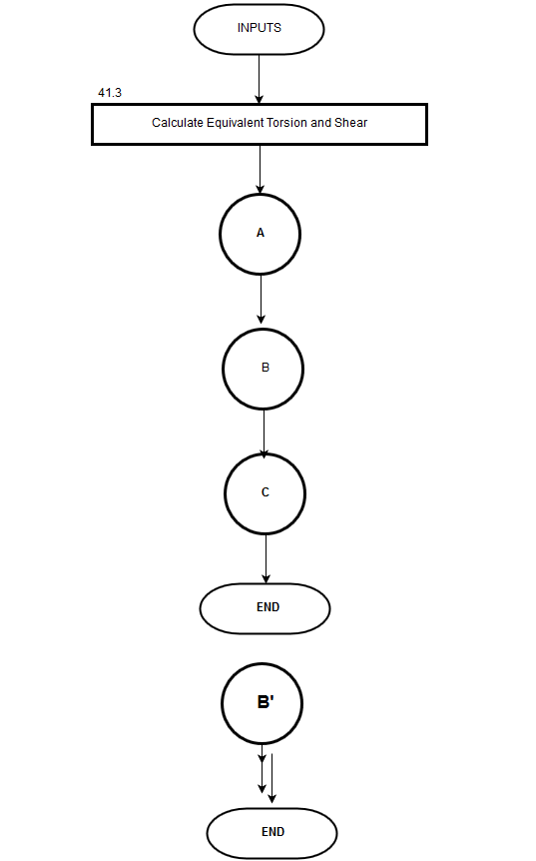
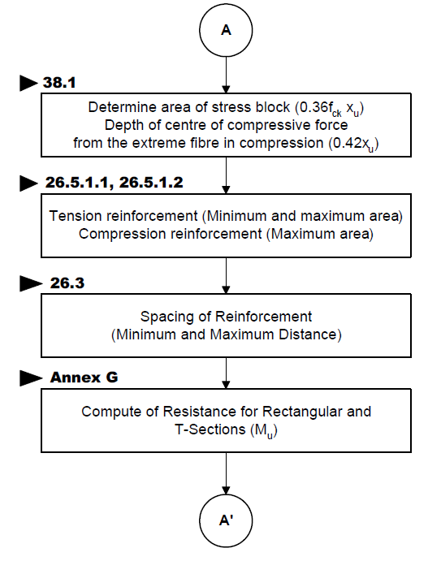
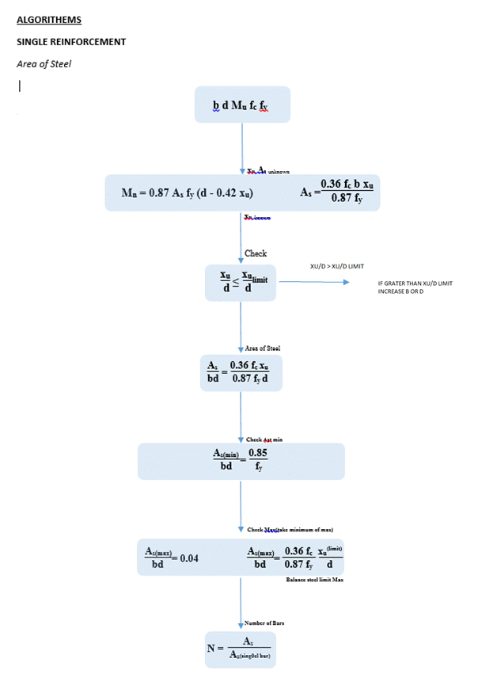
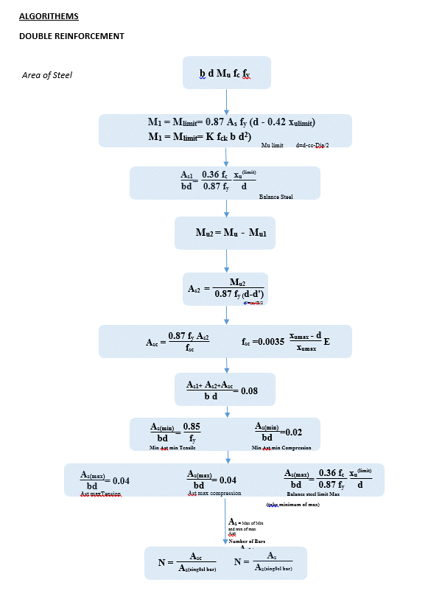
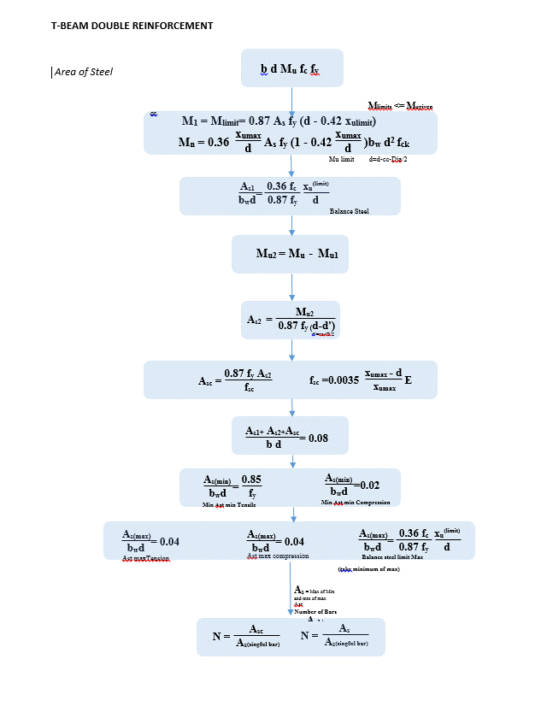
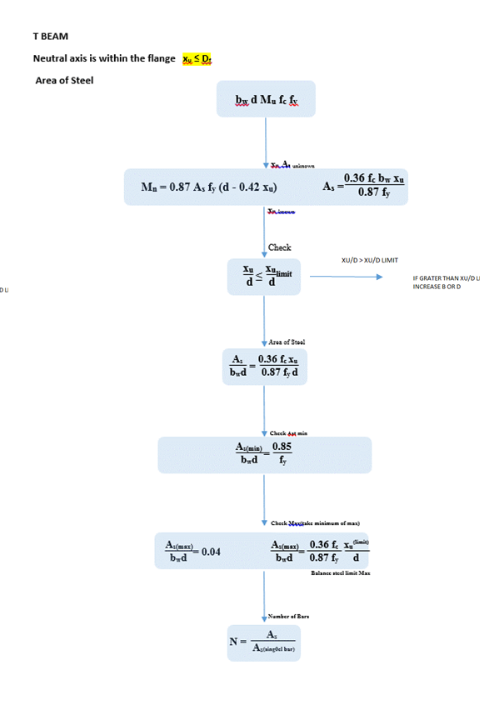
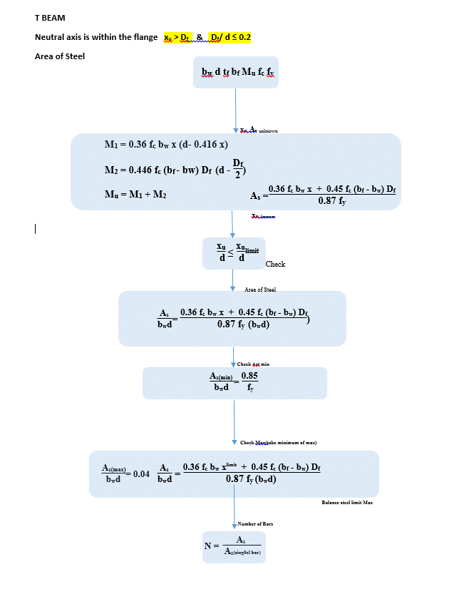

 |  |  |  |  | TORSION
 |  |  |  | Moment calculation for Single Reinforcement
 |  |  |  |  |  | 41.3
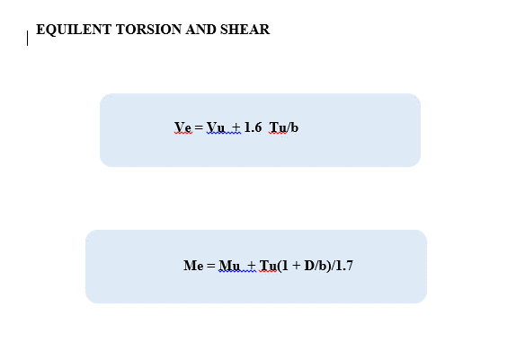

 | FLEXURE A A' |  |  | Moment calculation for Double Reinforcement

 |  |  |  | Moment calculation for T BEAM

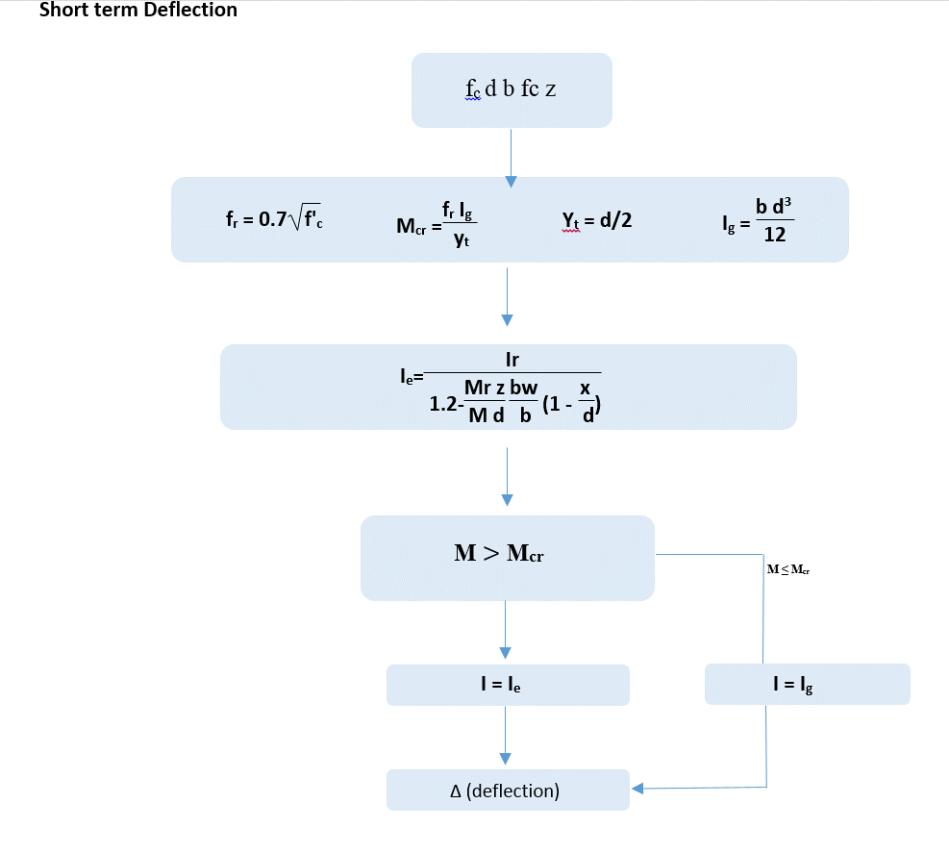
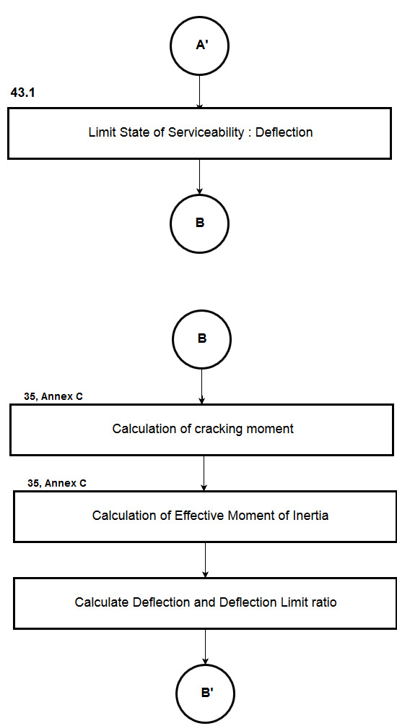
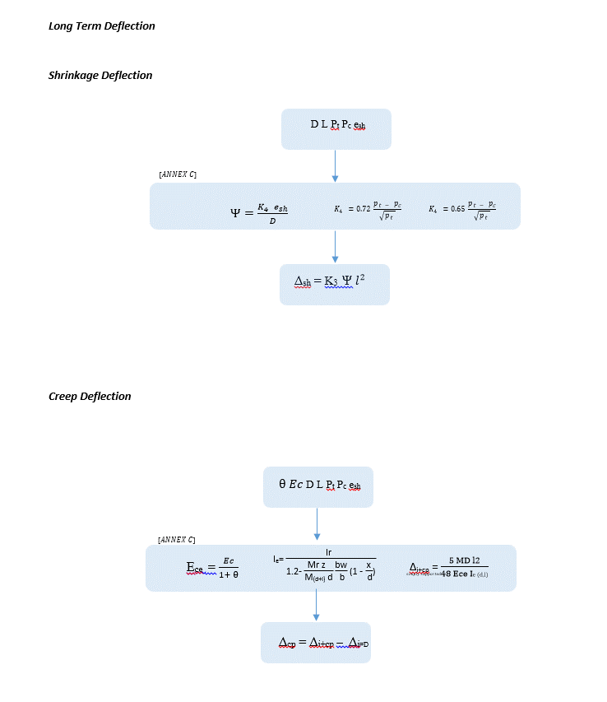

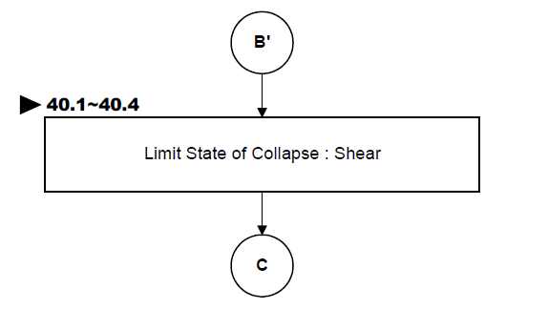
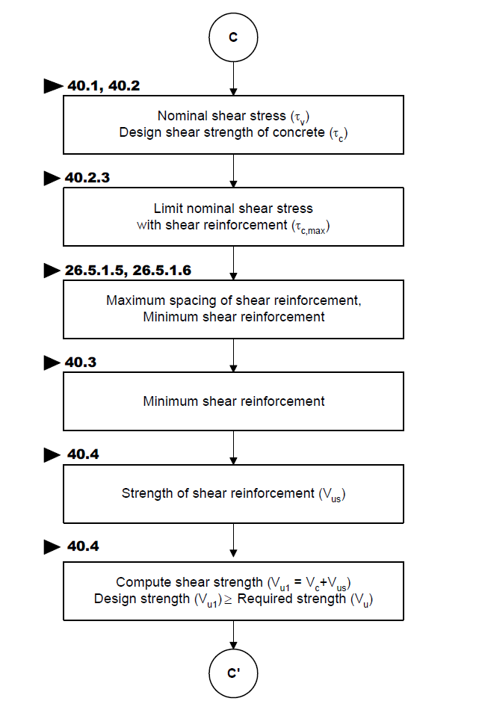
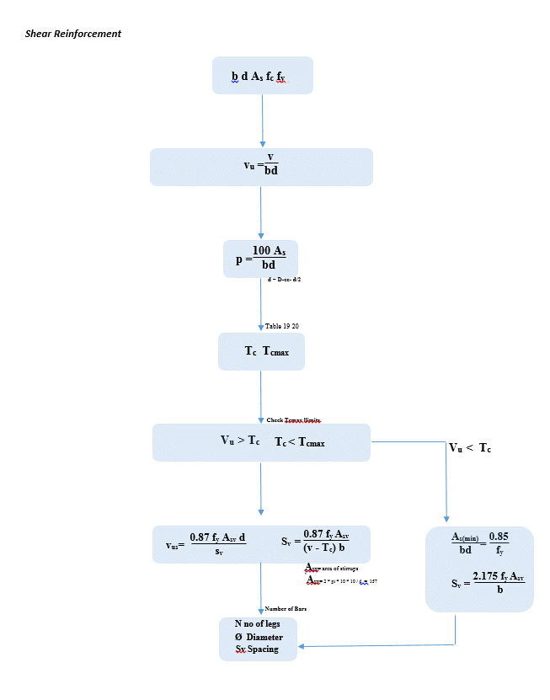

 |  |  | Shear Strength of Concrete

REPORT
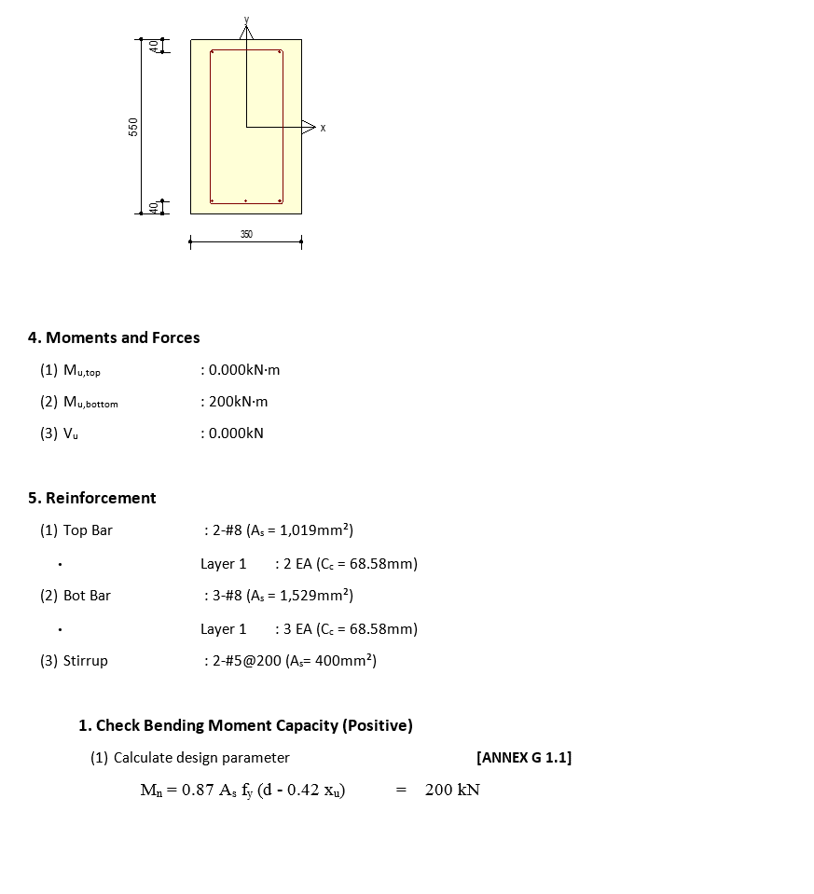
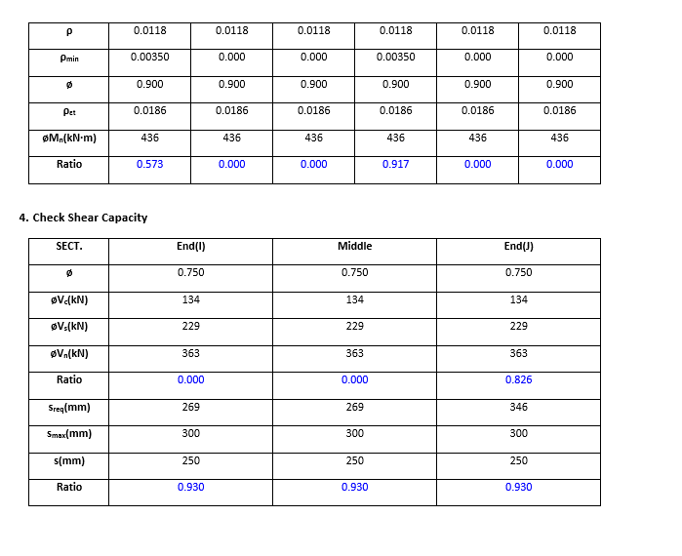
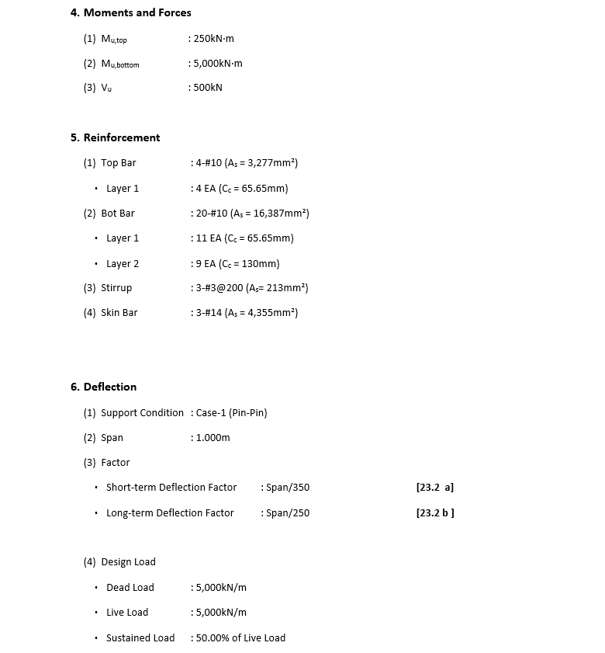
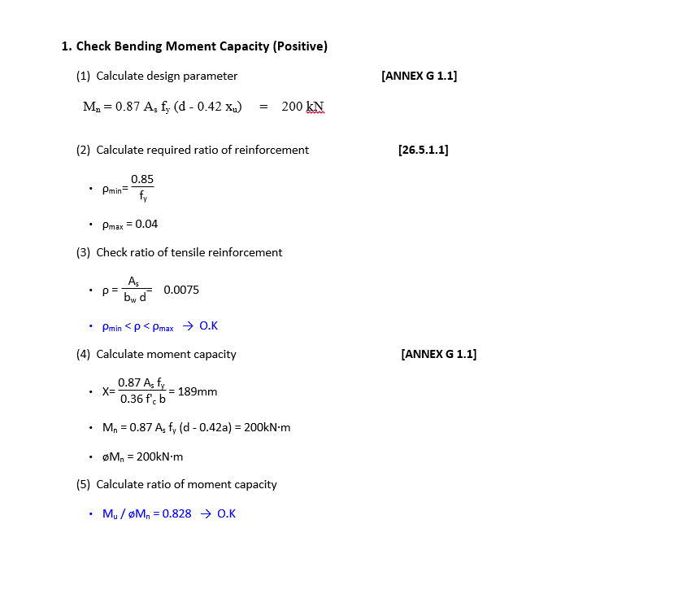
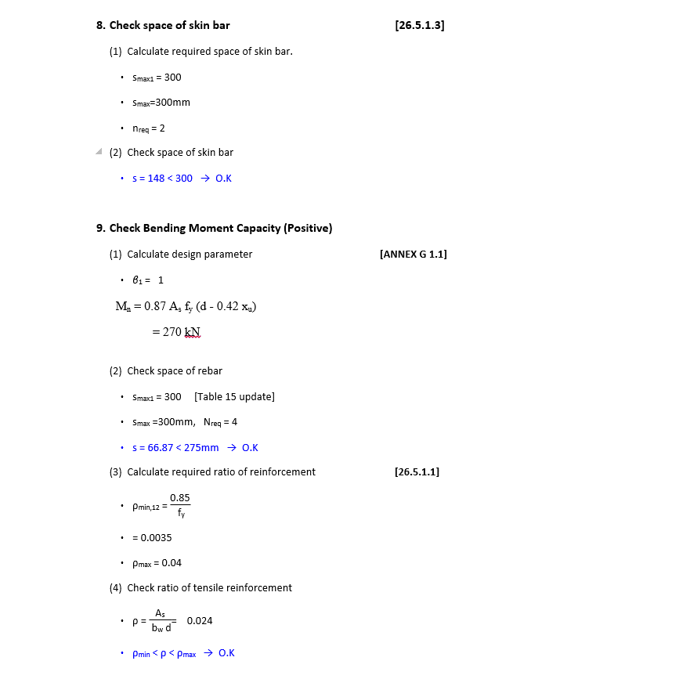
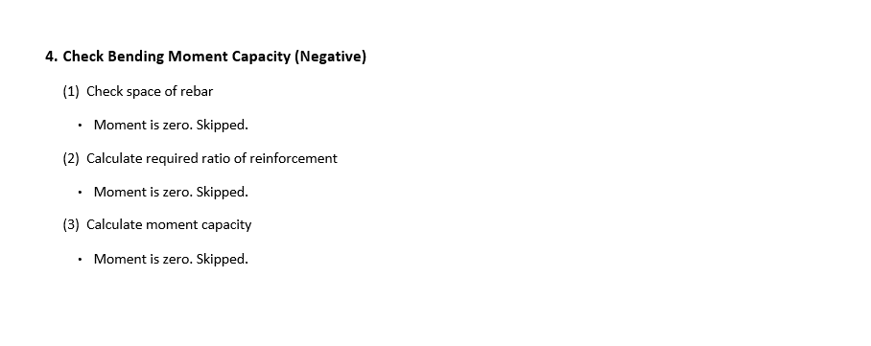
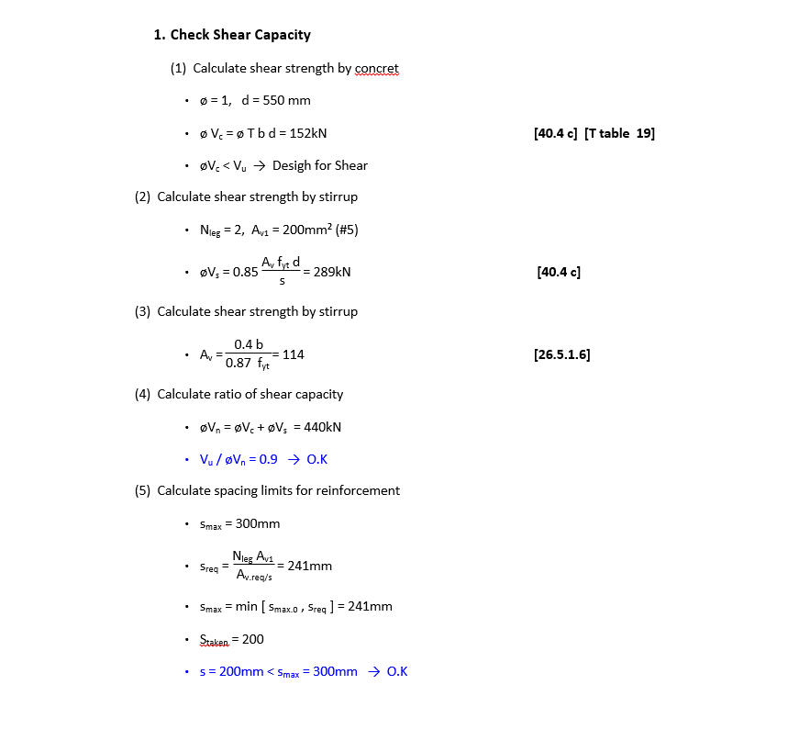
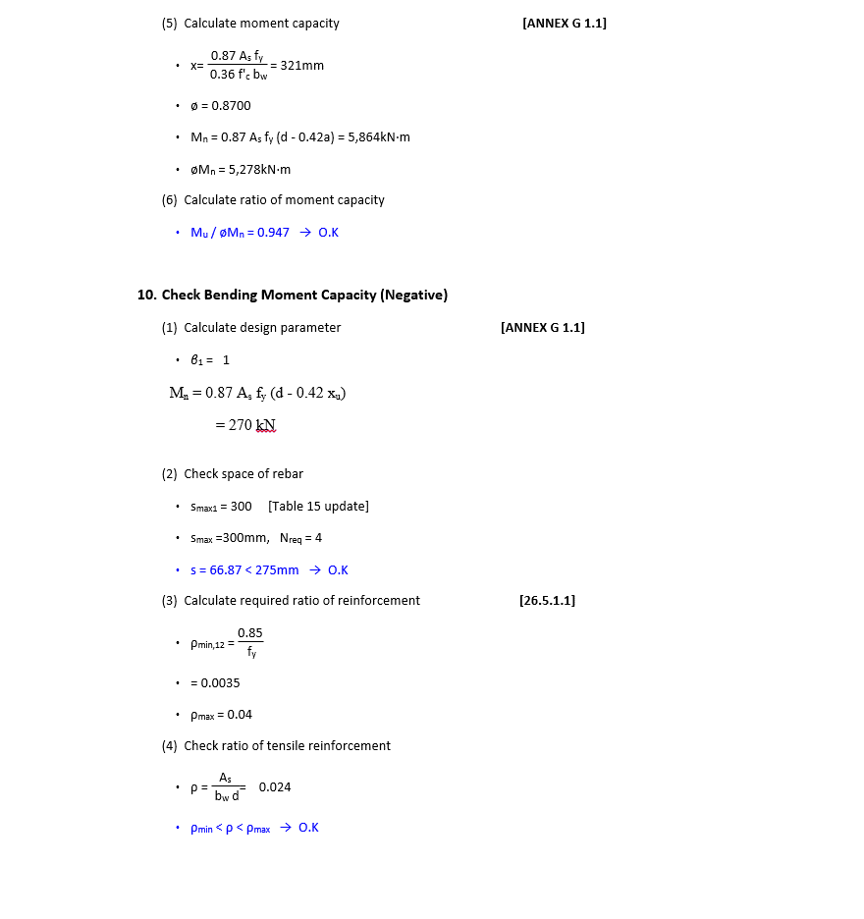
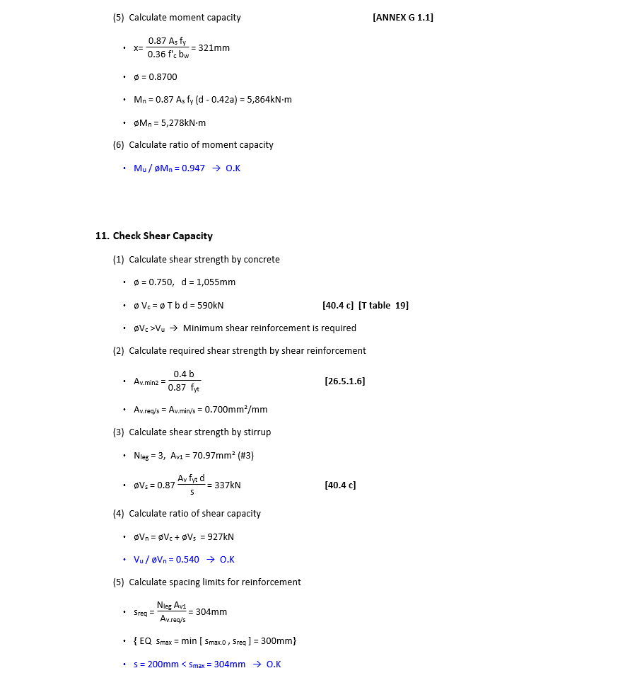
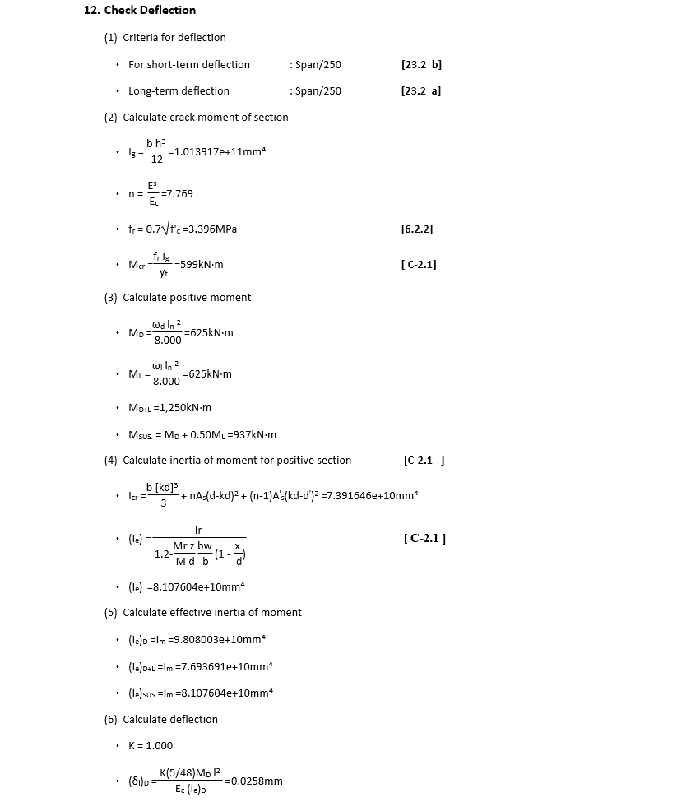
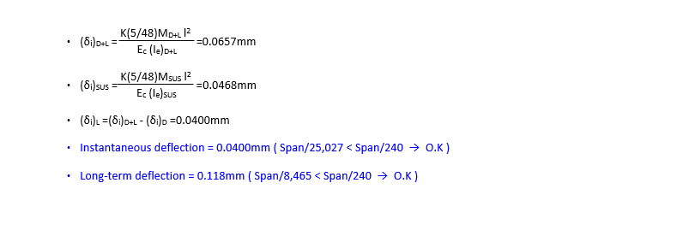
 | REPORT

EXPECTED REPORT

 |  |  |  | For T L deep Beam Change Moment Formullas
DETAIL REPORT |  | Double reinforcement deflection + skin reinforcement | Summary Report
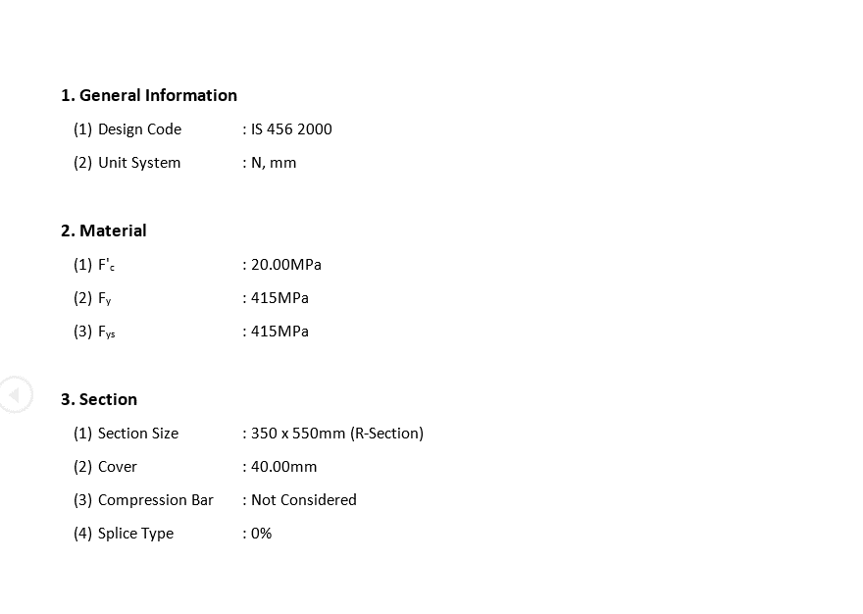
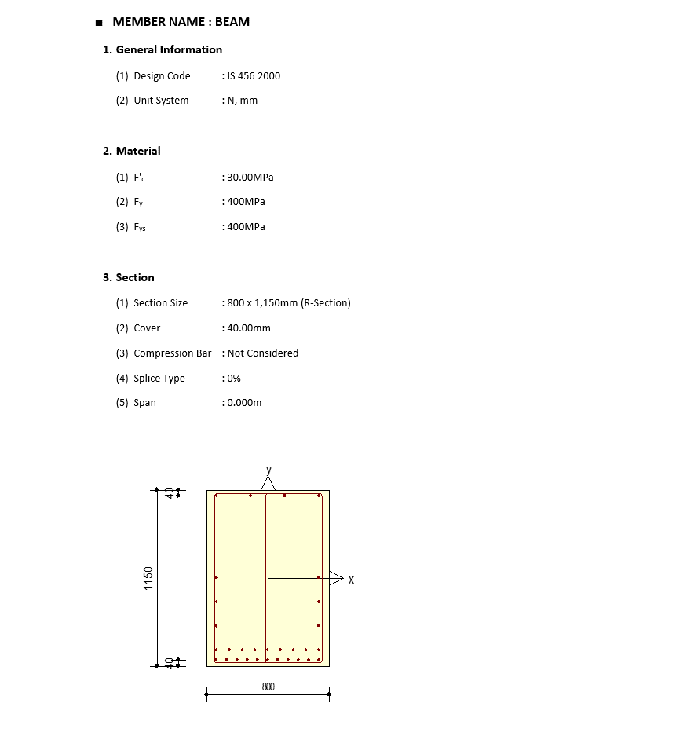
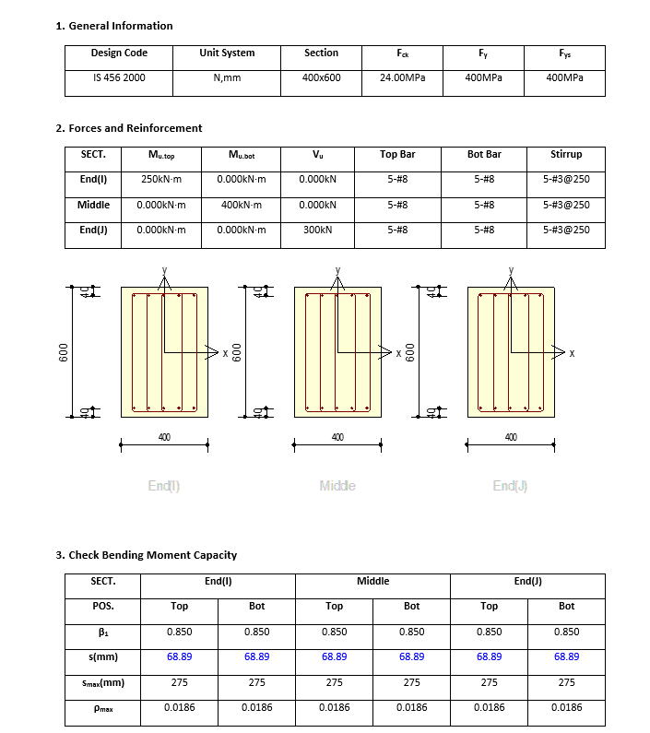

 |  |  |  |  |  | T BEAM

 |  |  |  |  |  |  | T BEAM

 |  |  |  |  | DEEP BEAM

